Sheet1
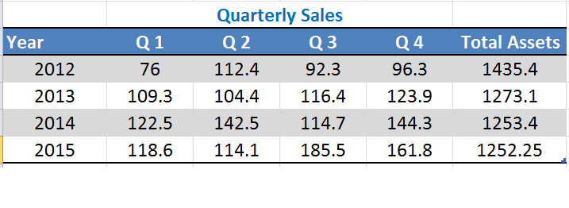
2 | 10 | 0.2 | 100 |  | 0.1 |  | 76 | 1435.4 | 0.052946913752 | 0.025358785008
3 | 12 | 0.25 | 100 |  | 0.12 |  | 112.4 | 1273.1 | 0.07830569876 | -0.014003065348
-2 | 15 | -0.13333333333 | 100 |  | 0.15 |  | 92.3 | 1253.4 | 0.064302633412 | 0.0027866796712
2 | 13 | 0.15384615385 | 100 |  | 0.13 |  | 96.3 | 1252.25 | 0.067089313083 | 0.018764115555
1 | 15 | 0.066666666667 | 120 |  | 0.125 |  | 109.3 |  | 0.085853428639 | -0.0038488728301
-1 | 16 | -0.0625 | 120 |  | 0.13333333333 |  | 104.4 |  | 0.082004555809 | 0.0094258110125
1 | 15 | 0.066666666667 | 120 |  | 0.125 |  | 116.4 |  | 0.091430366821 | 0.0058911318828
3.1428571429 | 16 | 0.19642857143 | 120 |  | 0.13333333333 |  | 123.9 |  | 0.097321498704 | 0.00041266437248
 |  | 0.13836934974 |  |  | 0.014163164833 |  | 122.5 |  | 0.097734163076 | 0.015956598053
 |  |  |  |  | 0.0002005952381 |  | 142.5 |  | 0.11369076113 | -0.022179671294
 |  |  |  |  |  |  | 114.7 |  | 0.091511089836 | 0.023615765119
 |  |  |  |  |  |  | 144.3 |  | 0.11512685495 | -0.020417332096
 |  |  |  |  |  |  | 118.6 |  | 0.094709522859 | -0.003593531643
 |  |  |  |  |  |  | 114.1 |  | 0.091115991216 | 0.057017368736
 |  | 65 | 92.4 | 74.3 | 85.3 | 1435.4 | 185.5 |  | 0.14813335995 | -0.01892593332
 |  | 98.3 | 94.4 | 101.1 | 103.9 | 1273.1 | 161.8 |  | 0.12920742663 | 0.00044950308935
 |  | 108.5 | 126.5 | 101.7 | 128.3 | 1253.4
 |  | 105.6 | 102.1 | 169.5 | 145.8 | 1252.25

 |  |  |  |  |  | 0.045283544657
 |  |  |  |  |  | 0.064372300404
 |  |  |  |  |  | 0.051762574892
 |  |  |  |  |  | 0.059425943988
 |  |  |  |  |  | 0.077213101877
 |  |  |  |  |  | 0.074149713298
 |  |  |  |  |  | 0.07941245778
 |  |  |  |  |  | 0.081611813683
 |  |  |  |  |  | 0.086564544439
 |  |  |  |  |  | 0.10092548269
 |  |  |  |  |  | 0.081139301101
 |  |  |  |  |  | 0.10236157651
 |  |  |  |  |  | 0.084328209223
 |  |  |  |  |  | 0.081533240168
 |  |  |  |  |  | 0.13535635855
 |  |  |  |  |  | 0.11643042523
 |  |  |  |  |  | 0.0005333572739

